HUNCH-R9
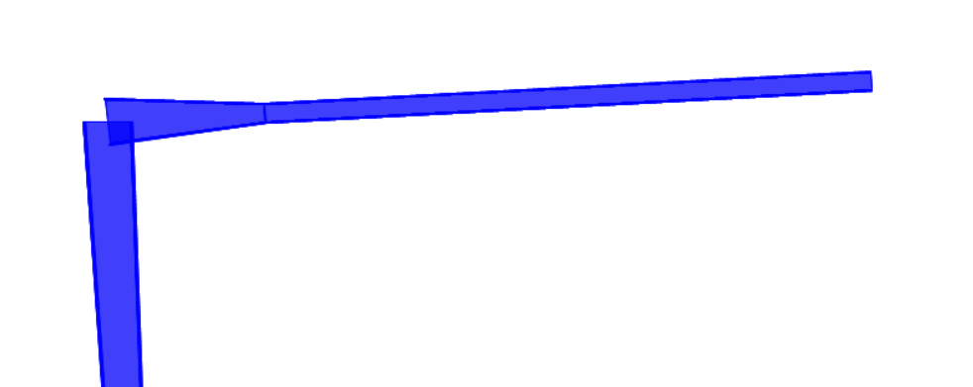
 |  | Connection name |  | HUNCH-R9 |  |  |  | CONNECTION - BUILT UP
HUNCH-R9
ST | 52 |  | RAFTER |  | h | d web | t web | bf | tf |  | COLUMN |  | h | d web | t web | bf | tf |  |  |  |  |  | 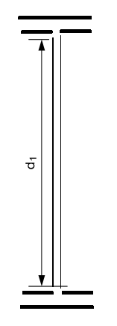
FY | 3.6 |  |  |  | cm | cm | cm | cm | cm |  |  |  | cm | cm | cm | cm | cm
FU | 5.2 |  |  |  | 84 | 80 | 1 | 30 | 2 |  |  |  | 84 | 80 | 1 | 40 | 2
straining actions |  | Mxu | Nu (ten) | Nu (comp) | Qu |  | BOLTS |  | bolts | pitch | Fu bolt | grade | cat | pitch min | pitch max
 |  | t.m | t | t | t |  |  |  | - | cm | t/cm2 | - | - | cm | cm
 |  | 83 | 0 | 3.8 | 12 |  |  |  | M30 | 16 | 10 | 10.9 | B or C | 9 | 18
 |  |  |  |  |  |  |  |  | a-WELD
properties of weld |  | h | d web | t web | bf | tf(rafter) | S Wh | S Wv | A weld | Ix weld | check stress |  | (Ruw)qa | (Ruw)fa | (Ruw)qb | (Ruw)fb | Ruw(combined) | Ruw all (t/cm)
 |  | cm | cm | cm | cm | cm | cm | cm | cm2 | cm4 |  |  | t/cm | t/cm | t/cm | t/cm | t/cm | eq(9-7)
 |  | 84 | 80 | 1 | 30 | 2 | 1 | 1 | 270 | 271730 |  |  | 0 | 1.3134361315 | 0.076923076923 | 1.1912560262 | 1.198683611 | 1.456
 |  |  |  |  |  |  |  |  |  |  |  |  | safe | safe | safe | safe | safe | -
 |  |  |  |  |  |  |  |  | b-plate
properties of plate |  | h | tf(rafter) | bf(rafter) | b plate | bcol > bP | L plate | Nbolts/row | plate | W | t plate (cm) | tf(col) | tw(col) | h(col) | bf(col) | M1(t.cm) | M2(t.cm) | tp (cm) exact
 |  | cm | cm | cm | cm | - | cm | - | - | cm | eq(8-28) | cm | cm | cm | cm | eq(8.30) | eq(8.30) | eq(8.31)
 |  | 84 | 2 | 30 | 32 | safe | 104 | 4 | extended | 8 | 2.6 | 2 | 1 | 84 | 40 | 36.53 | 56.98 | 2.8 |  |  |  |  | 
 |  |  |  |  |  |  |  |  | c-bolts
category (B ,C) |  | AS bolt | N rows/ ten | A plate | Ix plate | y1 | y2 | f1 | f2 | Nbolts/group | S weld | a | b | d bolt | min ∑t | e1 | a | Ps (t) | Fy bolt | T (t) | shear planes | Nt rows
 |  | cm2 | - | cm2 | cm4 | cm | cm | t/cm2 | t/cm2 | - | cm | cm | cm | cm | cm | cm | - | tab (8-3) | t/cm2 | eq (8-7) | - | -
 |  | 5.61 | 3 | 3328 | 2999637.3333 | 52 | 36 | 0.14388406065 | 0.099612041989 | 4 | 1 | 8 | 6 | 3 | 2 | 8 | 2.1333333333 | 14.13 | 9 | 35.343 | 1 | 4
 | CHECK TENSION |  |  |  |  | Prying force |  |  |  | Σtension (M+N+Prying) |  |  |  | CHECK SHEAR |  |  |  |  |  |  | y3 | f3
 |  |  |  |  |  |  |  |  |  |  |  |  |  |  |  |  |  |  |  |  | cm | t/cm2 | 
 | groub (A) | Text,b,M | Text,b,N | Ru all (t) |  | groub (A) | p (t) | Ru all (t) |  | groub (A) | N total | Ru all (t) |  | service | Ru,V | Rv,all(fr1) | Rv,all(fr2) | category (B) |  |  | 20 | 0.055340023327
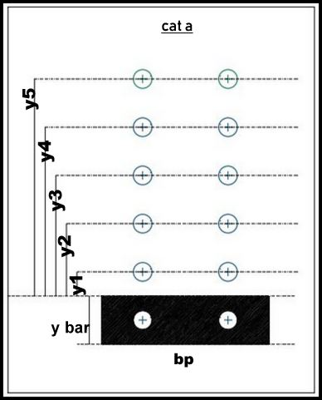
 |  | t | t | eq(8-11) |  |  | eq(8-26) | eq(8-11) |  |  | t | eq(8-11) |  |  | t | t | t
 |  | 15.583750569 | 0 | 31.416 |  |  | 4.5658830792 | 31.416 |  |  | 20.149633648 | 31.416 |  |  | 2 | 14.13 | 14.13
 |  | safe | safe | - |  |  | safe | - |  |  | safe | - |  |  | safe | - | -
 | CHECK TENSION |  |  |  |  | Prying force |  |  |  | Σtension (M+N+Prying) |  |  |  | CHECK SHEAR

 | groub (B) | Text,b,M | Text,b,N | Ru all (t) |  | groub (B) | p | Ru all (t) |  | groub (B) | N total | Ru all (t) |  | ultimate | Ru,V | Rv,all(Q) | Rv,all(br)
 |  | t | t | eq(8-11) |  |  | t | eq(8-11) |  |  | t | eq(8-11) |  |  | t | t | eq(8-21)
 |  | 9.9169321802 | 0 | 31.416 |  |  | 2.9055619595 | 31.416 |  |  | 12.82249414 | 31.416 |  |  | 0.75 | 20.196 | 46.592
 |  | safe | safe | - |  |  | safe | - |  |  | safe | - |  |  | safe | - | -
 | CHECK TENSION |  |  |  |  | Prying force |  |  |  | Σtension (M+N) |  |  |  | CHECK SHEAR

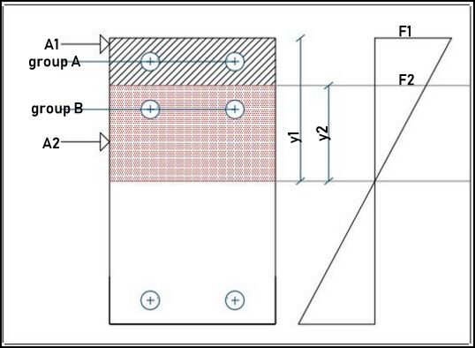
 | groub (c) | Text,b,M | Text,b,N | Ru all (t) |  | groub (c) | p | Ru all (t) |  | groub (c) | N total | Ru all (t) |  | ultimate | Ru,V | Rv,all(fr1) | Rv,all(fr2) | category (C)
 |  | t | t | eq(8-11) |  |  | t | eq(8-11) |  |  | t | eq(8-11) |  |  | t | t | t
 |  | 4.4272018662 | 0 | 31.416 |  |  | 0 | 31.416 |  |  | 4.4272018662 | 31.416 |  |  | 3 | 15.89625 | 15.89625
 |  | safe | safe | - |  |  | safe | - |  |  | safe | - |  |  | safe | - | -
 |  |  |  |  |  |  |  |  |  |  |  |  |  | CHECK SHEAR

 |  |  |  |  |  |  |  |  |  |  |  |  |  | bearing | Ru,V | Rv,all(br)
 |  |  |  |  |  |  |  |  |  |  |  |  |  |  | t | eq(8-21)
 |  |  |  |  |  |  |  |  |  |  |  |  |  |  | 3 | 46.592
 |  |  |  |  |  |  |  |  |  |  |  |  |  |  | safe | -
 |  |  |  |  |  |  |  |  | d-check stability of web
comp - zone |  | Rafter | h beam | tf beam | d beam | Cu | f | tf col | tw col | t plate | K | Fyw | Rn | check(f*Rn > Cu) |  | bst*tst | bst | tst | tstact | check (1) | check (2)
 |  | - | cm | cm | cm | t | - | cm | cm | cm | cm | t/cm2 | t | un safe |  | cm2 | cm | cm | cm | eq (10-14) | eq (10-15)
 |  | built up | 84 | 2 | 82 | 101.2195122 | 0.95 | 2 | 1 | 2.6 | 4 | 3.6 | 97.92 |  |  | 16.4 | 19.5 | 0.84102564103 | 2 | safe | safe

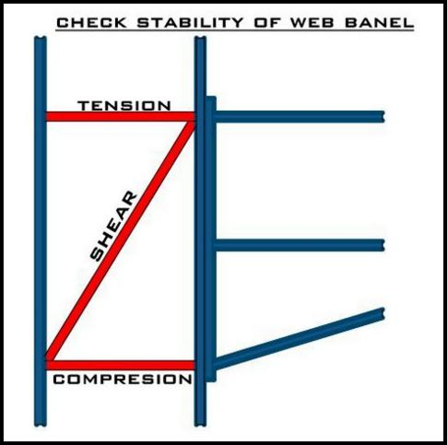
ten - zone |  | tf col | Fyf | h beam | tf beam | d beam | Tu | f | tf col | Rn | check(f*Rn > Tu) |  | bst*tst | bst | tst | tstact | check (1) | check (2)
 |  | cm | t/cm2 | cm | cm | cm | t | - | cm | t | un safe |  | cm2 | cm | cm | cm | eq (10-14) | eq (10-15)
 |  | 2 | 3.6 | 84 | 2 | 82 | 101.2195122 | 0.85 | 2 | 90 |  |  | 3.4332655827 | 19.5 | 0.17606490167 | 2 | safe | safe

shear - zone |  | tw col | h col | Fyw | h beam | tf beam | d beam | _Cb | Rv | check(Rv > Cb) |  |  | T_doubler_Plate
 |  | cm | cm | t/cm2 | cm | cm | cm | t | t | safe |  |  | cm
 |  | 1 | 84 | 3.6 | 84 | 2 | 82 | 101.2195122 | 184.72351667 |  |  |  | 2

 |  | 1 | 2 | 3 | 4 | 5 | 6 | 7 | 8 | 9 | 10 | 11 | 12 | 13 | 14 | 15 | 16 | 17 | 18 | 19 | 20 | 21 | 22 | 23
 |  | Sec. No. | Weight | Area | Aweb | Dimensions |  |  |  |  |  |  | Axis X-X |  |  | Axis Y-Y |  |  | Details |  | Surface Area |  | Af | dweb
 |  |  |  |  |  | h | b | s | t | r1 | c | h-2c | Ix | Sx | rx | Iy | Sy | ry | w | dmax | Um | Ut
 |  |  | kg/m` | cm2 | cm2 | mm | mm | mm | mm | mm | mm | mm | cm4 | cm3 | cm | cm4 | cm3 | cm | mm | mm | x10-2 m2/m\ | m2/t | mm2 | mm
 |  | 80 | 6.00 | 7.64 | 2.64 | 80 | 46 | 3.8 | 5.2 | 5 | 10.2 | 59.6 | 80.1 | 20.0 | 3.24 | 8.49 | 3.69 | 1.05 | N.A. | N.A. | 32.80 | 54.80 | 239.2 | 69.6
 |  | 100 | 8.10 | 10.30 | 3.63 | 100 | 55 | 4.1 | 5.7 | 7 | 12.7 | 74.6 | 171 | 34.2 | 4.07 | 15.9 | 5.79 | 1.24 | N.A. | N.A. | 40.00 | 49.50 | 313.5 | 88.6
37 |  | 120 | 10.40 | 13.20 | 4.73 | 120 | 64 | 4.4 | 6.3 | 7 | 13.3 | 93.4 | 318 | 53.0 | 4.90 | 27.7 | 8.65 | 1.45 | 36 | M10 | 47.50 | 45.60 | 403.2 | 107.4
44 |  | 140 | 12.90 | 16.40 | 5.93 | 140 | 73 | 4.7 | 6.9 | 7 | 13.9 | 112.2 | 541 | 77.3 | 5.74 | 44.9 | 12.3 | 1.65 | 38 | M10 | 55.10 | 42.60 | 503.7 | 126.2
52 |  | 160 | 15.80 | 20.10 | 7.26 | 160 | 82 | 5.0 | 7.4 | 9 | 16.4 | 127.2 | 869 | 109 | 6.58 | 68.3 | 16.7 | 1.84 | 44 | M12 | 62.30 | 39.40 | 606.8 | 145.2
 |  | 180 | 18.80 | 23.90 | 8.69 | 180 | 91 | 5.3 | 8.0 | 9 | 17.0 | 146.0 | 1320 | 146 | 7.42 | 101 | 22.2 | 2.05 | 50 | M12 | 69.80 | 37.10 | 728 | 164
 |  | 200 | 22.40 | 28.50 | 10.25 | 200 | 100 | 5.6 | 8.5 | 12 | 20.5 | 159.0 | 1940 | 194 | 8.26 | 142 | 28.5 | 2.24 | 56 | M12 | 76.80 | 34.30 | 850 | 183
extended |  | 220 | 26.20 | 33.40 | 11.89 | 220 | 110 | 5.9 | 9.2 | 12 | 21.2 | 177.6 | 2770 | 252 | 9.11 | 205 | 37.3 | 2.48 | 60 | M16 | 84.80 | 32.40 | 1012 | 201.6
flushed |  | 240 | 30.70 | 39.10 | 13.66 | 240 | 120 | 6.2 | 9.8 | 15 | 24.8 | 190.4 | 3890 | 324 | 9.97 | 284 | 47.3 | 2.69 | 68 | M16 | 92.20 | 30.00 | 1176 | 220.4
 |  | 270 | 36.10 | 45.90 | 16.47 | 270 | 135 | 6.6 | 10.2 | 15 | 25.2 | 219.6 | 5790 | 429 | 11.20 | 420 | 62.2 | 3.02 | 72 | M20 | 104.00 | 28.80 | 1377 | 249.6
 |  | 300 | 42.20 | 53.80 | 19.78 | 300 | 150 | 7.1 | 10.7 | 15 | 25.7 | 248.6 | 8360 | 557 | 12.50 | 604 | 80.5 | 3.35 | 80 | M20 | 116.00 | 27.50 | 1605 | 278.6
 |  | 330 | 49.10 | 62.60 | 23.03 | 330 | 160 | 7.5 | 11.5 | 18 | 29.5 | 271.0 | 11770 | 713 | 13.70 | 788 | 98.5 | 3.55 | 86 | M24 | 125.00 | 25.50 | 1840 | 307
hot rolled |  | 360 | 57.10 | 72.70 | 26.77 | 360 | 170 | 8.0 | 12.7 | 18 | 30.7 | 298.6 | 16270 | 904 | 15.00 | 1040 | 123 | 3.79 | 90 | M24 | 135.00 | 23.60 | 2159 | 334.6
built up |  | 400 | 66.30 | 84.50 | 32.08 | 400 | 180 | 8.6 | 13.5 | 21 | 34.5 | 331.0 | 23130 | 1160 | 16.50 | 1320 | 146 | 3.95 | 96 | M27 | 147.00 | 22.20 | 2430 | 373
 |  | 450 | 77.60 | 98.80 | 39.56 | 450 | 190 | 9.4 | 14.6 | 21 | 35.6 | 378.8 | 33740 | 1500 | 18.50 | 1680 | 176 | 4.12 | 106 | M27 | 161.00 | 20.70 | 2774 | 420.8
 |  | 500 | 90.70 | 116.00 | 47.74 | 500 | 200 | 10.2 | 16.0 | 21 | 37.0 | 426.0 | 48200 | 1930 | 20.40 | 2140 | 214 | 4.31 | 110 | M27 | 174.00 | 19.20 | 3200 | 468
 |  | 550 | 106.00 | 134.00 | 57.23 | 550 | 210 | 11.1 | 17.2 | 24 | 41.2 | 467.6 | 67120 | 2440 | 22.30 | 2670 | 254 | 4.45 | 120 | M27 | 188.00 | 17.70 | 3612 | 515.6
 |  | 600 | 122.00 | 156.00 | 67.44 | 600 | 220 | 12.0 | 19.0 | 24 | 43.0 | 514.0 | 92080 | 3070 | 24.30 | 3390 | 308 | 4.66 | 120 | M27 | 202.00 | 16.60 | 4180 | 562

1
2
3
4

 |  |  |  |  |  |  |  |  |  |  |  |  |  |  |  |  |  |  |  |  |  |  |  | 23
 |  |  | 1 | 2 | 3 | 4 | 5 | 6 | 7 | 8 | 9 | 10 | 11 | 12 | 13 | 14 | 15 | 16 | 17 | 18 | 19 | 20 | 21
 |  |  | Sec. No. | Weight | Area | Aweb | Dimensions |  |  |  |  |  |  | Axis X-X |  |  | Axis Y-Y |  |  | Details |  |  | Surface Area
 |  |  |  |  |  |  | h | b | s | t | r1 | c | h-2c | Ix | Sx | rx | Iy | Sy | ry | w | w1 | dmax | Um | Ut
 |  |  |  | kg/m` | cm2 | cm2 | mm | mm | mm | mm | mm | mm | mm | cm4 | cm3 | cm | cm4 | cm3 | cm | mm | mm | mm | x10-2 m2/m\ | m2/t
 |  |  | 100 | 20.4 | 26.0 | 4.80 | 100 | 100 | 6.0 | 10.0 | 12 | 22.0 | 56 | 450 | 89.9 | 4.16 | 167 | 33.5 | 2.53 | 56 | N.A. | M12 | 56.70 | 27.80
 |  |  | 120 | 26.7 | 34.0 | 6.37 | 120 | 120 | 6.5 | 11.0 | 12 | 23.0 | 74 | 864 | 144 | 5.04 | 318 | 52.9 | 3.06 | 66 | N.A. | M16 | 68.60 | 25.70
 |  |  | 140 | 33.7 | 43.0 | 8.12 | 140 | 140 | 7.0 | 12.0 | 12 | 24.0 | 92 | 1510 | 216 | 5.93 | 550 | 78.5 | 3.58 | 76 | N.A. | M20 | 80.50 | 23.80
 |  |  | 160 | 42.6 | 54.3 | 10.72 | 160 | 160 | 8.0 | 13.0 | 15 | 28.0 | 104 | 2490 | 311 | 6.78 | 889 | 111 | 4.05 | 86 | N.A. | M20 | 91.80 | 21.50
 |  |  | 180 | 51.2 | 65.3 | 12.92 | 180 | 180 | 8.5 | 14.0 | 15 | 29.0 | 122 | 3830 | 426 | 7.66 | 1360 | 151 | 4.57 | 100 | N.A. | M24 | 104.00 | 20.30
 |  |  | 200 | 61.3 | 78.1 | 15.30 | 200 | 200 | 9.0 | 15.0 | 18 | 33.0 | 134 | 5700 | 570 | 8.54 | 2000 | 200 | 5.07 | 110 | N.A. | M24 | 115.00 | 18.80
 |  |  | 220 | 71.5 | 91.0 | 17.86 | 220 | 220 | 9.5 | 16.0 | 18 | 34.0 | 152 | 8090 | 736 | 9.43 | 2840 | 258 | 5.59 | 120 | N.A. | M24 | 127.00 | 17.80
 |  |  | 240 | 83.2 | 106 | 20.60 | 240 | 240 | 10.0 | 17.0 | 21 | 38.0 | 164 | 11260 | 938 | 10.30 | 3920 | 327 | 6.08 | 90 | 40 | M20 | 138.00 | 16.60
 |  |  | 260 | 93.0 | 118 | 22.50 | 260 | 260 | 10.0 | 17.5 | 24 | 41.5 | 177 | 14920 | 1150 | 11.20 | 5130 | 395 | 6.58 | 95 | 40 | M20 | 150.00 | 16.10
 |  |  | 280 | 103 | 131 | 25.62 | 280 | 280 | 10.5 | 18.0 | 24 | 42.0 | 196 | 19270 | 1380 | 12.10 | 6590 | 471 | 7.09 | 110 | 40 | M20 | 162.00 | 15.70
 |  |  | 300 | 117 | 149 | 28.82 | 300 | 300 | 11.0 | 19.0 | 27 | 46.0 | 208 | 25170 | 1680 | 13.00 | 8560 | 571 | 7.58 | 120 | 50 | M24 | 173.00 | 14.80
 |  |  | 320 | 127 | 161 | 32.09 | 320 | 300 | 11.5 | 20.5 | 27 | 47.5 | 225 | 30820 | 1930 | 13.80 | 9240 | 616 | 7.57 | 120 | 50 | M24 | 177.00 | 13.90
 |  |  | 340 | 134 | 171 | 35.64 | 340 | 300 | 12.0 | 21.5 | 27 | 48.5 | 243 | 36660 | 2160 | 14.60 | 9690 | 646 | 7.53 | 120 | 50 | M24 | 181.00 | 13.50
 |  |  | 360 | 142 | 181 | 39.38 | 360 | 300 | 12.5 | 22.5 | 27 | 49.5 | 261 | 43190 | 2400 | 15.50 | 10140 | 676 | 7.49 | 120 | 50 | M24 | 185.00 | 13.00
 |  |  | 400 | 155 | 198 | 47.52 | 400 | 300 | 13.5 | 24.0 | 27 | 51.0 | 298 | 57680 | 2880 | 17.10 | 10820 | 721 | 7.40 | 120 | 50 | M24 | 193.00 | 12.40
 |  |  | 450 | 171 | 218 | 55.72 | 450 | 300 | 14.0 | 26.0 | 27 | 53.0 | 344 | 79890 | 3550 | 19.10 | 11720 | 781 | 7.33 | 120 | 50 | M24 | 203.00 | 11.90
 |  |  | 500 | 187 | 239 | 64.38 | 500 | 300 | 14.5 | 28.0 | 27 | 55.0 | 390 | 107200 | 4290 | 21.20 | 12620 | 842 | 7.27 | 120 | 50 | M24 | 212.00 | 11.30
 |  |  | 550 | 199 | 254 | 73.80 | 550 | 300 | 15.0 | 29.0 | 27 | 56.0 | 438 | 136700 | 4970 | 23.20 | 13080 | 872 | 7.17 | 120 | 50 | M24 | 222.00 | 12.20
 |  |  | 600 | 212 | 270 | 83.70 | 600 | 300 | 15.5 | 30.0 | 27 | 57.0 | 486 | 171000 | 5700 | 25.20 | 13530 | 902 | 7.08 | 120 | 50 | M24 | 232.00 | 11.00
 |  |  | 650 | 225 | 286 | 94.08 | 650 | 300 | 16.0 | 31.0 | 27 | 58.0 | 534 | 210600 | 6480 | 27.10 | 13980 | 932 | 6.99 | 120 | 50 | M24 | 242.00 | 10.80
 |  |  | 700 | 241 | 306 | 108.12 | 700 | 300 | 17.0 | 32.0 | 27 | 59.0 | 582 | 256900 | 7340 | 29.00 | 14440 | 963 | 6.87 | 120 | 50 | M24 | 252.00 | 10.50
 |  |  | 800 | 262 | 334 | 128.45 | 800 | 300 | 17.5 | 33.0 | 30 | 63.0 | 674 | 359100 | 9890 | 32.80 | 14900 | 994 | 6.68 | 120 | 50 | M24 | 271.00 | 10.40
 |  |  | 900 | 291 | 371 | 153.55 | 900 | 300 | 18.5 | 35.0 | 30 | 65.0 | 770 | 494100 | 10980 | 36.50 | 15820 | 1050 | 6.53 | 120 | 50 | M24 | 291.00 | 10.00
 |  |  | 1000 | 314 | 400 | 176.32 | 1000 | 300 | 19.0 | 36.0 | 30 | 66.0 | 868 | 644700 | 12890 | 40.10 | 16280 | 1090 | 6.38 | 120 | 50 | M24 | 311.00 | 9.90

1
2 |  | 21.189112286 |  |  |  | BOLTS | AS(cm2) | D(cm) | ps(st52) |  |  |  |  | BOLTS | AS(cm2) | D(cm) | ps(st52) | ps(st37)
3 |  |  |  |  |  | M12 | 0.84 | 12 | 2.11 |  |  |  |  | M12 | 0.84 | 12 | 2.11 | 1.69
4 |  |  |  |  |  | M16 | 1.57 | 16 | 3.95 |  |  |  |  | M16 | 1.57 | 16 | 3.95 | 3.16
5 |  |  |  |  |  | M20 | 2.45 | 20 | 8.17 |  |  |  |  | M20 | 2.45 | 20 | 8.17 | 4.93
6 |  |  |  |  |  | M22 | 3.03 | 22 | 7.63 |  |  |  |  | M22 | 3.03 | 22 | 7.63 | 8.1
7 |  |  |  |  |  | M24 | 3.53 | 24 | 8.89 |  |  |  |  | M24 | 3.53 | 24 | 8.89 | 7.11
8 |  |  |  |  |  | M27 | 4.59 | 27 | 11.56 |  |  |  |  | M27 | 4.59 | 27 | 11.56 | 9.25
9 |  |  |  |  |  | M30 | 5.61 | 30 | 14.13 |  |  |  |  | M30 | 5.61 | 30 | 14.13 | 11.3
10 |  |  |  |  |  | M36 | 8.17 | 36 | 20.58 |  |  |  |  | M36 | 8.17 | 36 | 20.58 | 18.47
11
12
13
14
 |  |  |  |  |  |  |  |  |  |  |  |  |  | grade | fy | fu
 |  |  |  |  |  |  |  |  |  |  |  |  |  | 4.6 | 2.4 | 4
 |  |  |  |  |  |  |  |  |  |  |  |  |  | 4.8 | 3.2 | 4
 |  |  |  |  |  |  |  |  |  |  |  |  |  | 5.6 | 3 | 5
 |  |  |  |  |  |  |  |  |  |  |  |  |  | 5.8 | 4 | 5
 |  |  |  |  |  |  |  |  |  |  |  |  |  | 6.8 | 4.8 | 6
 |  |  |  |  |  |  |  |  |  |  |  |  |  | 8.8 | 6.4 | 8
 |  |  |  |  |  |  |  |  |  |  |  |  |  | 10.9 | 9 | 10

